Table 1
Table 1: Attendance Allowance Claimants and Recipients |  |  | Contents
Time Series, February 2017 to February 2022
Date | Claimants | Recipients
Feb 2017 | 55,110 | 51,130
May 2017 | 54,940 | 51,100
Aug 2017 | 54,930 | 51,160
Nov 2017 | 54,890 | 51,110
Feb 2018 | 53,970 | 50,350
May 2018 | 53,750 | 50,170
Aug 2018 | 54,170 | 50,540
Nov 2018 | 54,410 | 50,790
Feb 2019 | 54,370 | 50,880
May 2019 | 54,130 | 50,650
Aug 2019 | 54,100 | 50,520
Nov 2019 | 54,260 | 50,660
Feb 2020 | 54,010 | 50,560
May 2020 | 52,760 | 49,660
Aug 2020 | 53,040 | 49,940
Nov 2020 | 52,820 | 49,710
Feb 2021 | 51,900 | 49,060
May 2021 | 51,790 | 49,000
Aug 2021 | 52,110 | 49,410
Nov 2021 | 52,860 | 50,260
Feb 2022 | 52,820 | 50,340
Notes:
Figures are rounded to the nearest ten. Some additional disclosure control
has also been applied. Totals may not sum due to rounding.

Table 8
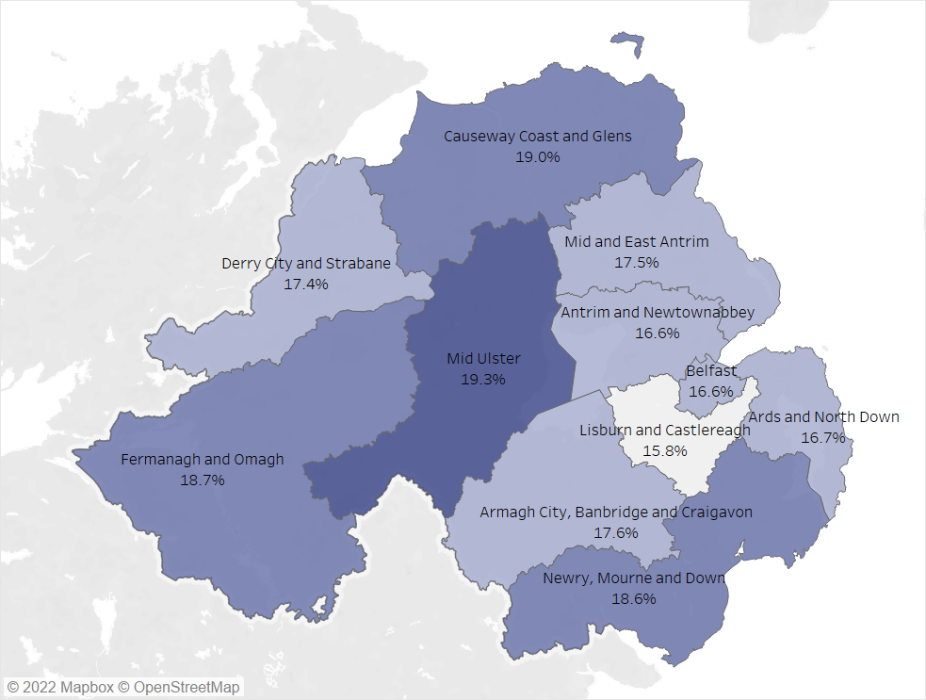
Table 8: Attendance Allowance Claimants by Local Government District, Feb 2022 |  |  |  | Contents
Local Government District | Claimants | Eligible Population (66+) | % of Eligible Population
Antrim and Newtownabbey | 3,830 | 23,088 | 16.6%
Ards and North Down | 5,530 | 33,185 | 16.7%
Armagh City Banbridge and Craigavon | 5,660 | 32,109 | 17.6%
Belfast | 8,020 | 48,171 | 16.6%
Causeway Coast and Glens | 4,840 | 25,506 | 19.0%
Derry City and Strabane | 3,810 | 21,914 | 17.4%
Fermanagh and Omagh | 3,580 | 19,184 | 18.7%
Lisburn and Castlereagh | 3,850 | 24,416 | 15.8%
Mid and East Antrim | 4,450 | 25,367 | 17.5%
Mid Ulster | 3,990 | 20,680 | 19.3%
Newry Mourne and Down | 5,060 | 27,243 | 18.6%
Unknown | 220 | -
Notes:
The Eligible Population figures for the Local Government Districts are taken from the most recent (2020) mid-year population estimates.
From October 2020 the State Pension Age (SPA) reached 66 for both men and women. From the November 2020 publication onwards,
the eligible population in the above table has therefore been changed from 65 and over to 66 and over.
Figures are rounded to the nearest ten. Some additional disclosure control has also been applied. Totals may not sum due to rounding.
Percentages are calculated using unrounded figures then rounded to 1 decimal place.

 |  |  |  |  | ©Crown copyright and database rights MOU577.1 (2021)

