Table 1
Table 1: Carer's Allowance Claimants and Recipients Time |  |  |  | Contents
Series, February 2017 to February 2022
Date | All Claimants | Recipients | Credits Only
Feb 2017 | 73,020 | 46,300 | 26,720
May 2017 | 72,970 | 45,610 | 27,350
Aug 2017 | 73,450 | 46,400 | 27,050
Nov 2017 | 73,280 | 46,770 | 26,510
Feb 2018 | 73,350 | 46,820 | 26,530
May 2018 | 73,200 | 46,430 | 26,770
Aug 2018 | 73,730 | 47,150 | 26,580
Nov 2018 | 74,210 | 47,450 | 26,760
Feb 2019 | 74,070 | 47,810 | 26,270
May 2019 | 74,340 | 47,510 | 26,830
Aug 2019 | 74,420 | 48,170 | 26,250
Nov 2019 | 74,690 | 48,500 | 26,190
Feb 2020 | 74,800 | 48,650 | 26,160
May 2020 | 74,910 | 48,810 | 26,100
Aug 2020 | 75,280 | 49,650 | 25,620
Nov 2020 | 75,610 | 49,870 | 25,740
Feb 2021 | 75,210 | 49,460 | 25,750
May 2021 | 74,690 | 48,300 | 26,390
Aug 2021 | 74,690 | 48,520 | 26,160
Nov 2021 | 75,170 | 48,600 | 26,570
Feb 2022 | 75,050 | 48,540 | 26,510
Notes:
Figures are rounded to the nearest ten. Some additional disclosure
control has also been applied. Totals may not sum due to rounding.

Table 5
Claimants at November 2021
Table 5: Carer's Allowance Claimants Time Series by Duration of Claim, February 2017 to February 2022 |  |  |  |  |  |  |  | Contents
Duration of Claim
Date | Unknown | Under 3 months | 3 to under 6 months | 6 to under 12 months | 1 to under 2 years | 2 to under 5 years | 5 years or over
Feb 2017 | 450 | 700 | 2,440 | 5,560 | 9,230 | 19,150 | 35,480
May 2017 | 440 | 640 | 2,040 | 5,450 | 9,330 | 19,100 | 35,970
Aug 2017 | 440 | 680 | 2,230 | 5,040 | 9,430 | 19,200 | 36,430
Nov 2017 | 430 | 560 | 2,380 | 5,200 | 9,350 | 18,890 | 36,470
Feb 2018 | 420 | 720 | 2,620 | 5,420 | 8,950 | 18,970 | 36,260
May 2018 | 410 | 650 | 2,380 | 5,710 | 8,870 | 18,900 | 36,290
Aug 2018 | 390 | 610 | 2,430 | 5,690 | 9,180 | 18,970 | 36,460
Nov 2018 | 380 | 1,140 | 3,000 | 5,650 | 9,240 | 18,810 | 35,980
Feb 2019 | 390 | 730 | 2,630 | 6,000 | 9,690 | 18,600 | 36,040
May 2019 | 380 | 860 | 2,480 | 6,000 | 9,970 | 18,560 | 36,100
Aug 2019 | 370 | 930 | 2,180 | 5,410 | 10,320 | 18,910 | 36,290
Nov 2019 | 360 | 920 | 2,380 | 4,890 | 10,310 | 19,180 | 36,650
Feb 2020 | 350 | 740 | 2,270 | 4,830 | 10,130 | 19,530 | 36,960
May 2020 | 340 | 280 | 1,410 | 4,840 | 9,790 | 20,460 | 37,780
Aug 2020 | 330 | 780 | 1,720 | 4,270 | 9,140 | 21,140 | 37,890
Nov 2020 | 340 | 950 | 1,880 | 3,810 | 8,870 | 21,580 | 38,190
Feb 2021 | 330 | 680 | 2,020 | 3,660 | 8,300 | 21,630 | 38,580
May 2021 | 330 | 930 | 1,940 | 3,990 | 7,440 | 21,210 | 38,870
Aug 2021 | 310 | 1,030 | 2,070 | 4,120 | 6,890 | 21,120 | 39,150
Nov 2021 | 300 | 860 | 2,460 | 4,340 | 6,680 | 21,110 | 39,420
Feb 2022 | 300 | 700 | 2,150 | 4,840 | 6,600 | 20,900 | 39,550
Notes:
Figures are rounded to the nearest ten. Some additional disclosure control has also been applied. Totals may not sum due to rounding.

 | Duration of Claim
 | Under 12 Months | 7,690
 | 1 to under 2 years | 6,600
 | 2 to under 5 years | 20,900
 | 5 years or over | 39,550
 | Other | 300

Table 8
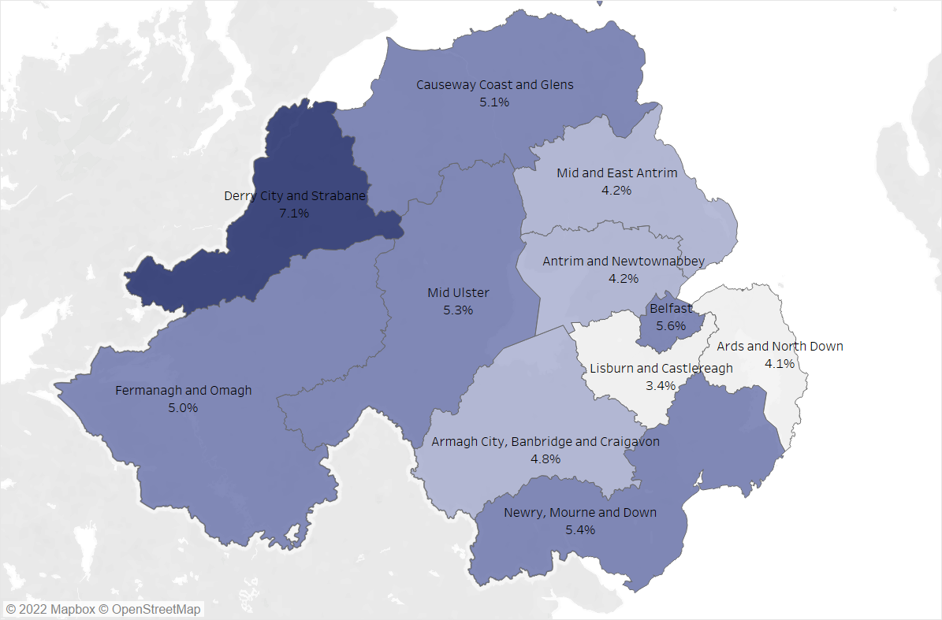
Table 8: Carer's Allowance Claimants by Local Government District, February 2022 |  |  |  | Contents
Local Government District | Claimants | Eligible Population (16+) | % of Eligible Population
Antrim And Newtownabbey | 4,790 | 113,918 | 4.2%
Ards And North Down | 5,400 | 132,057 | 4.1%
Armagh City, Banbridge And Craigavon | 8,010 | 168,360 | 4.8%
Belfast | 15,290 | 274,369 | 5.6%
Causeway Coast And Glens | 5,950 | 116,337 | 5.1%
Derry City And Strabane | 8,440 | 118,371 | 7.1%
Fermanagh And Omagh | 4,610 | 91,929 | 5.0%
Lisburn And Castlereagh | 4,020 | 116,887 | 3.4%
Mid And East Antrim | 4,740 | 112,616 | 4.2%
Mid Ulster | 6,050 | 114,153 | 5.3%
Newry, Mourne And Down | 7,670 | 140,697 | 5.4%
Unknown | 90 | - | -
Notes:
The Eligible Population figures for the Local Government Districts are taken from the most recent (2020) mid-year population
estimates.
Figures are rounded to the nearest ten. Some additional disclosure control has also been applied. Totals may not sum due to
rounding.
Percentages are calculated from unrounded figures then rounded to 1 decimal place.

 |  |  |  |  | ©Crown copyright and database rights MOU577.1 (2021)

